170152, 176478
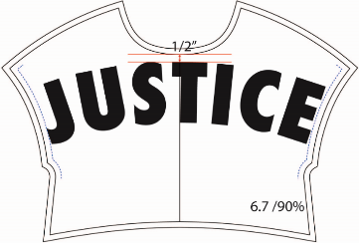
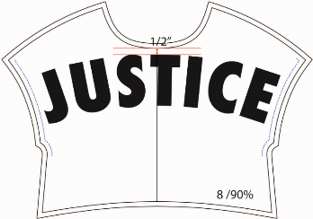
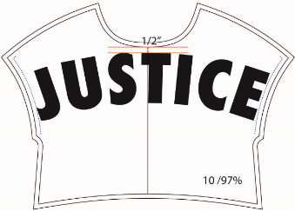
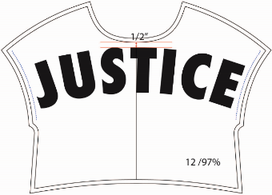
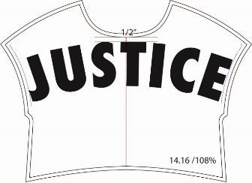
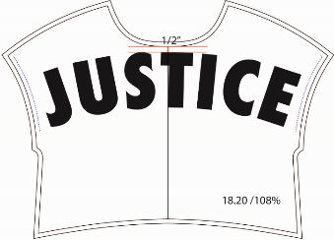
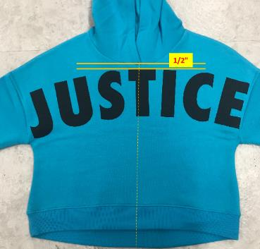
 |  | Selected Range : 6/7 , 8 , 10 , 12
 | AW combo |  | CAD AW | Dev sample |  | Colorrun |  | Costing |  | Given sz 10 | Remark
 |  |  |  |  |  |  |  |  |  | - | based on approved #300269
 | AC005 |  | 97% | 100 |  | 100 |  | 100 |  | 100

 | POM |  | Description | Tol(-) | Tol(+) | 6/7 | 8 | 10 | 12
 | AC005 |  | AW GRADING PERCENTAGE |  |  | 90% | 90% | 97% | 97%
 |  |  | A/W ON CENTER FRONT
 |  |  | AW(LETTER TOP EDGE) FROM CF NECK SEAM | 1/4 | 1/4 | 1/2" | 1/2" | 1/2" | 1/2"

STYLE 170152, 176478 | 3/8" clearance |  |  |  |  |  |  | APPROVED ON 2018/07/18
HOL18_AC005

